SARIMA
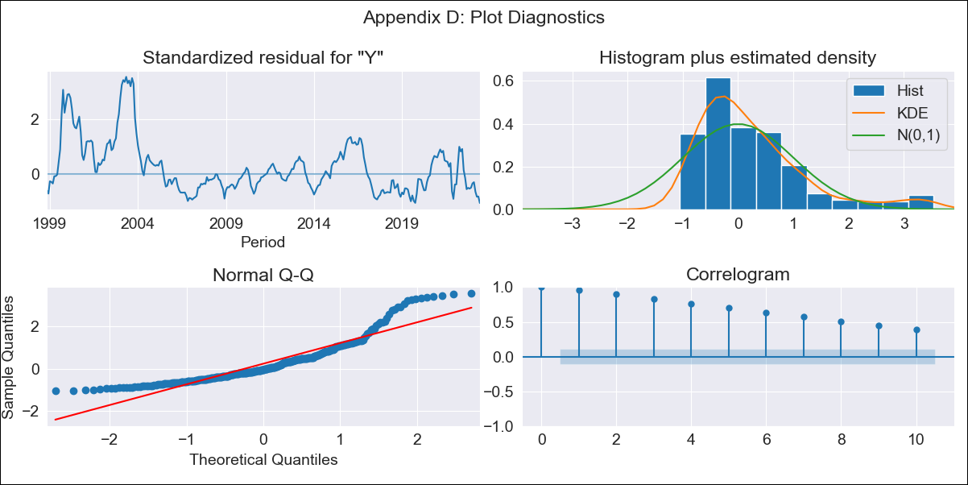
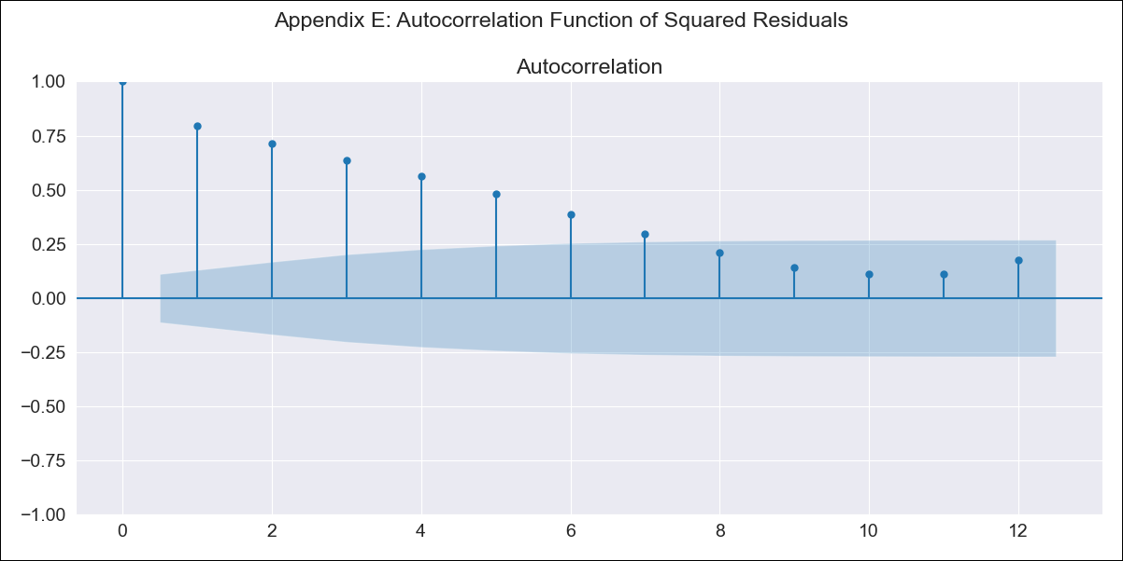
BRAZIL_EXOG10 - Inflation - Next 12 months forecast as of: 2023-06-01

Model | SARIMAX - [(0, 0, 0), (1, 0, 1, 12)] | Exogenous Variables | exchange rates, interest rates (discount rate), interest rates(bond yield), m1 money supply
Training Data | 1997-10-01 to 2022-07-01
Test Data | 2022-07-01 to 2023-06-01

Date | Inflation Change YoY % | Lower Bound - 95% Confidence Interval | Upper Bound - 95% Confidence Interval
2023-07-01 | 5.82 | 1.15 | 10.49
2023-08-01 | 6.02 | 1.36 | 10.69
2023-09-01 | 6.11 | 1.44 | 10.78
2023-10-01 | 6.35 | 1.68 | 11.02
2023-11-01 | 6.67 | 2.01 | 11.34
2023-12-01 | 6.87 | 2.2 | 11.54
2024-01-01 | 6.85 | 2.19 | 11.52
2024-02-01 | 6.99 | 2.33 | 11.66
2024-03-01 | 7.06 | 2.39 | 11.72
2024-04-01 | 7.08 | 2.42 | 11.75
2024-05-01 | 7.17 | 2.5 | 11.83
2024-06-01 | 7.21 | 2.55 | 11.88

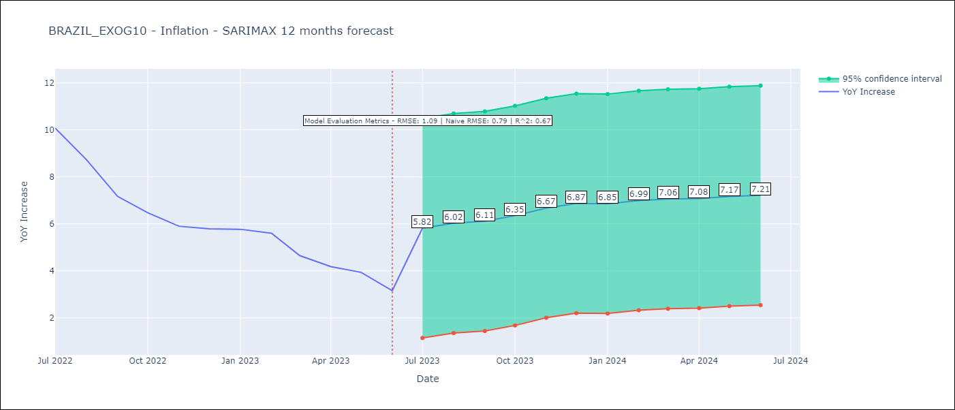

Test Metrics
RMSE | 1.09
Naive RMSE | 0.92
R^2 | 0.67

Test Predictions
Date | Predicted | Actual
2022-07-01 | 9.82 | 10.07
2022-08-01 | 9.14 | 8.73
2022-09-01 | 8.65 | 7.17
2022-10-01 | 8.17 | 6.47
2022-11-01 | 7.37 | 5.9
2022-12-01 | 6.83 | 5.79
2023-01-01 | 6.46 | 5.77
2023-02-01 | 5.77 | 5.6
2023-03-01 | 5.48 | 4.65
2023-04-01 | 5.27 | 4.18
2023-05-01 | 4.94 | 3.94
2023-06-01 | 4.65 | 3.16

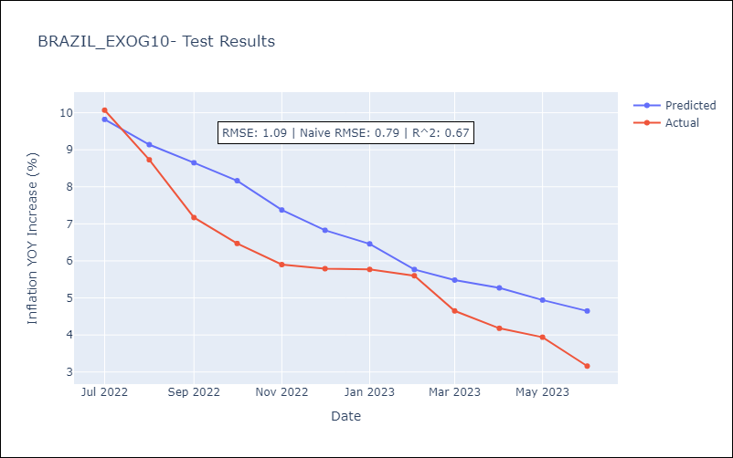

Appendix A: Model Summary
Model | SARIMAX(1, 0, [1], 12)
Sample | 10-01-1997- 06-01-2023
No. of Observations | 309
Terms | P-value (Statistical significance)
exchange rates | 0.003
interest rates (discount rate) | 0.000
interest rates(bond yield) | 0.033
m1 money supply | 0.001
ar.S.L12 | 0.000
ma.S.L12 | 0.996
sigma2 | 0.996
Assumptions | P-value | Interpretation
Ljung-Box (L1) | 0.00 | Residuals are not independent.
Heteroskedasticity | 0.00 | Residuals have different variances.
Jarque-Bera | 0.00 | Residuals are not normally distributed.
Skew | 1.47 | Positive skew - model underestimates the mean.
Kurtosis | 5.13 | Residuals contain more extreme outliers than in a normal distribution.

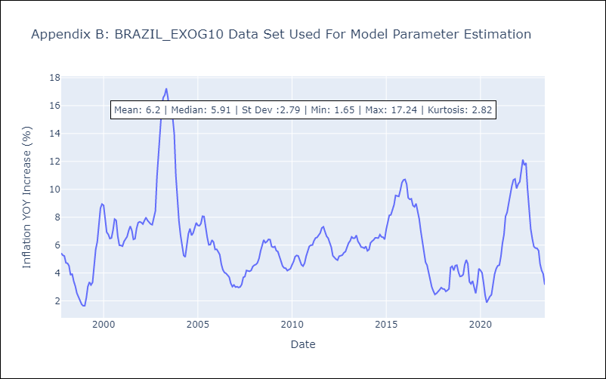

Appendix C: Residuals Analysis
Mean | 0.73
Variance | 7.07
White Noise? | No - Correlation at Lags [ 1 2 3 4 5 6 7 8 9 10 11 12]
Heteroskedastic? - ARCH | Yes
Normal? | No

ARIMA
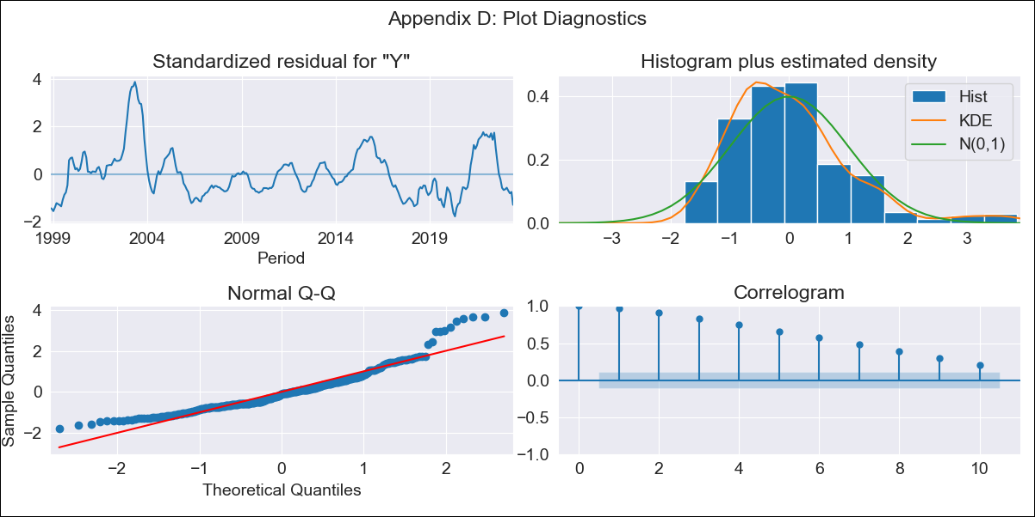
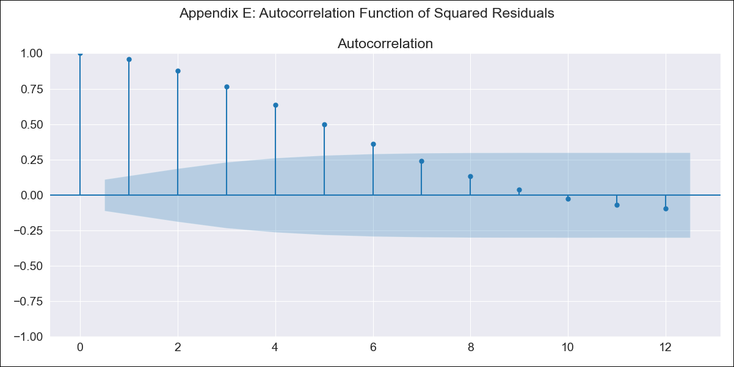
BRAZIL_EXOG11 - Inflation - Next 12 months forecast as of: 2023-06-01

Model | ARIMA - [(0, 0, 0), (1, 0, 1, 12)]
Training Data | 1997-10-01 to 2022-07-01
Test Data | 2022-07-01 to 2023-06-01

Date | Inflation Change YoY % | Lower Bound - 95% Confidence Interval | Upper Bound - 95% Confidence Interval
2023-07-01 | 6.18 | 1.05 | 11.3
2023-08-01 | 5.72 | 0.59 | 10.85
2023-09-01 | 5.54 | 0.41 | 10.67
2023-10-01 | 5.47 | 0.35 | 10.6
2023-11-01 | 5 | -0.12 | 10.13
2023-12-01 | 4.85 | -0.27 | 9.97
2024-01-01 | 4.94 | -0.18 | 10.06
2024-02-01 | 5.23 | 0.1 | 10.35
2024-03-01 | 5.58 | 0.46 | 10.71
2024-04-01 | 5.65 | 0.52 | 10.77
2024-05-01 | 5.96 | 0.84 | 11.09
2024-06-01 | 5.16 | 0.04 | 10.29

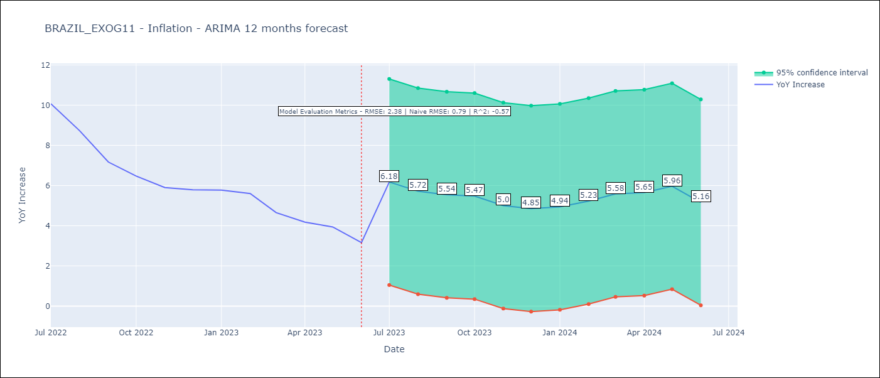

Test Metrics
RMSE | 2.38
Naive RMSE | 0.92
R^2 | -0.57

Test Predictions
Date | Predicted | Actual
2022-07-01 | 7.34 | 10.07
2022-08-01 | 7.53 | 8.73
2022-09-01 | 7.52 | 7.17
2022-10-01 | 7.5 | 6.47
2022-11-01 | 7.57 | 5.9
2022-12-01 | 7.48 | 5.79
2023-01-01 | 7.55 | 5.77
2023-02-01 | 7.48 | 5.6
2023-03-01 | 7.44 | 4.65
2023-04-01 | 7.47 | 4.18
2023-05-01 | 7.14 | 3.94
2023-06-01 | 7.27 | 3.16

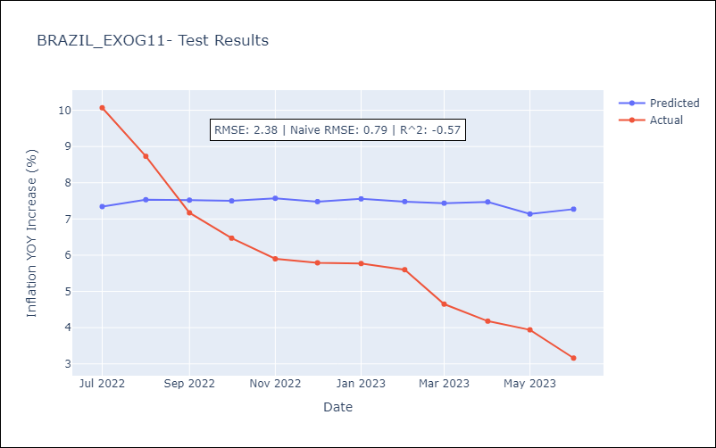

Appendix A: Model Summary
Model | ARIMA(1, 0, [1], 12)
Sample | 10-01-1997- 06-01-2023
No. of Observations | 309
Terms | P-value (Statistical significance)
const | 0.000
ar.S.L12 | 0.000
ma.S.L12 | 0.999
sigma2 | 0.999
Assumptions | P-value | Interpretation
Ljung-Box (L1) | 0.00 | Residuals are not independent.
Heteroskedasticity | 0.03 | Residuals have different variances.
Jarque-Bera | 0.00 | Residuals are not normally distributed.
Skew | 1.25 | Positive skew - model underestimates the mean.
Kurtosis | 5.21 | Residuals contain more extreme outliers than in a normal distribution.

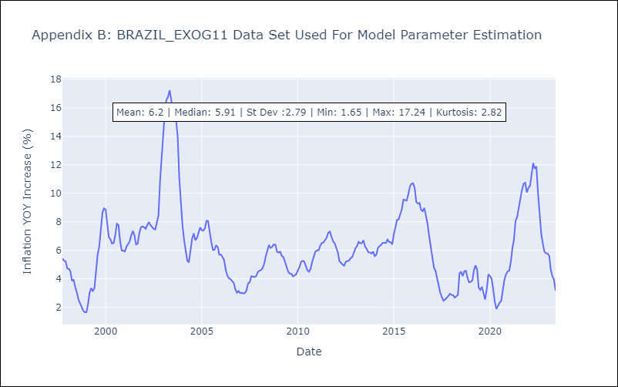

Appendix C: Residuals Analysis
Mean | -0.09
Variance | 7.78
White Noise? | No - Correlation at Lags [ 1 2 3 4 5 6 7 8 9 10 11 12]
Heteroskedastic? - ARCH | Yes
Normal? | No

